q1
Selection criteria (or key selection criteria) are standards that job applicants need to meet. These include qualifications, knowledge, skills, abilities and experience.
Some examples are:
excellent research and analytical skills
well developed written and oral communication skills
ability to work under pressure and meet deadlines
a degree in a relevant field.
You must always address the selection criteria when applying for a job. This is the most important part of your application.

Pairwise comparisons among objectives

It's important to be able to articulate your dream job. Not just for personal reasons, but also for when you're asked about it in interviews. Your Dream Job Criterias:
1) Salary
2) Knowledge
3) Execelent Research
4) Analytical Skills
5) Communication Skills
6) Meet Deadlines
7) Near to Home
8) Near Family
9) Life Qualityq

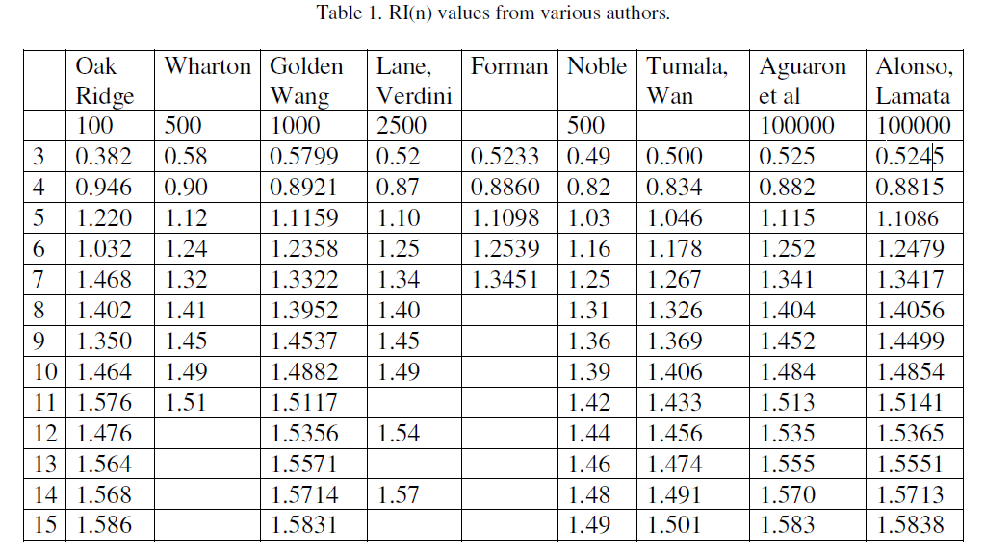
Criteria | 1 | 2 | 3 | 4 | 5 | 6 | 7 | 8 | 9
1 | 1.00 | 7.00 | 0.50 | 0.33 | 3.00 | 5.00 | 0.33 | 7.00 | 5.00
2 | 0.14 | 1.00 | 0.14 | 0.14 | 0.20 | 2.00 | 0.11 | 3.00 | 0.50
3 | 2.00 | 7.00 | 1.00 | 1.00 | 3.00 | 5.00 | 0.33 | 6.00 | 5.00
4 | 3.00 | 7.00 | 1.00 | 1.00 | 5.00 | 7.00 | 2.00 | 7.00 | 5.00
5 | 0.33 | 5.00 | 0.33 | 0.20 | 1.00 | 5.00 | 3.00 | 5.00 | 3.00
6 | 0.20 | 0.50 | 0.20 | 0.14 | 0.20 | 1.00 | 0.14 | 3.00 | 0.33
7 | 3.00 | 9.00 | 3.00 | 0.50 | 0.33 | 7.00 | 1.00 | 7.00 | 7.00
8 | 0.14 | 0.33 | 0.17 | 0.14 | 0.20 | 0.33 | 0.14 | 1.00 | 0.33
9 | 0.20 | 2.00 | 0.20 | 0.20 | 0.33 | 3.00 | 0.14 | 3.00 | 1.00

Pairwise comparisons among criterias

 Job A: MinMBA
Job B: Tesodev
 Job C: Kratos Academy
Select your best job under these criterias.

 |  |  |  |  |  |  |  |  |  |  |  | Normalized MATRIX |  |  |  |  |  |  |  |  | Weights | Products | Ratios

Criteria | 1 | 2 | 3 | 4 | 5 | 6 | 7 | 8 | 9
1 | 1.00 | 7.00 | 0.50 | 0.33 | 3.00 | 5.00 | 0.33 | 7.00 | 5.00 |  |  | 0.0998 | 0.1803 | 0.0764 | 0.0910 | 0.2261 | 0.1415 | 0.0463 | 0.1667 | 0.1840 | 0.12129331739 | 1.2297392434 | 10.138557258
2 | 0.14 | 1.00 | 0.14 | 0.14 | 0.20 | 2.00 | 0.11 | 3.00 | 0.50 |  |  | 0.0143 | 0.0258 | 0.0218 | 0.0390 | 0.0151 | 0.0566 | 0.0154 | 0.0714 | 0.0184 | 0.025989369218 | 0.25263354153 | 9.7206492167
3 | 2.00 | 7.00 | 1.00 | 1.00 | 3.00 | 5.00 | 0.33 | 6.00 | 5.00 |  |  | 0.1996 | 0.1803 | 0.1528 | 0.2731 | 0.2261 | 0.1415 | 0.0463 | 0.1429 | 0.1840 | 0.15714746129 | 1.5623967799 | 9.9422336644
4 | 3.00 | 7.00 | 1.00 | 1.00 | 5.00 | 7.00 | 2.00 | 7.00 | 5.00 |  |  | 0.2994 | 0.1803 | 0.1528 | 0.2731 | 0.3769 | 0.1981 | 0.2775 | 0.1667 | 0.1840 | 0.22421215689 | 2.2256421909 | 9.9265009614
5 | 0.33 | 5.00 | 0.33 | 0.20 | 1.00 | 5.00 | 3.00 | 5.00 | 3.00 |  |  | 0.0333 | 0.1288 | 0.0509 | 0.0546 | 0.0754 | 0.1415 | 0.4163 | 0.1190 | 0.1104 | 0.096050263325 | 1.1956589922 | 12.448263553
6 | 0.20 | 0.50 | 0.20 | 0.14 | 0.20 | 1.00 | 0.14 | 3.00 | 0.33 |  |  | 0.0200 | 0.0129 | 0.0306 | 0.0390 | 0.0151 | 0.0283 | 0.0198 | 0.0714 | 0.0123 | 0.023601225207 | 0.23095983715 | 9.785925736
7 | 3.00 | 9.00 | 3.00 | 0.50 | 0.33 | 7.00 | 1.00 | 7.00 | 7.00 |  |  | 0.2994 | 0.2318 | 0.4585 | 0.1365 | 0.0251 | 0.1981 | 0.1388 | 0.1667 | 0.2577 | 0.17157890024 | 1.9372240561 | 11.290572754
8 | 0.14 | 0.33 | 0.17 | 0.14 | 0.20 | 0.33 | 0.14 | 1.00 | 0.33 |  |  | 0.0143 | 0.0086 | 0.0255 | 0.0390 | 0.0151 | 0.0094 | 0.0198 | 0.0238 | 0.0123 | 0.016684282833 | 0.16535626439 | 9.9109003391
9 | 0.20 | 2.00 | 0.20 | 0.20 | 0.33 | 3.00 | 0.14 | 3.00 | 1.00 |  |  | 0.0200 | 0.0515 | 0.0306 | 0.0546 | 0.0251 | 0.0849 | 0.0198 | 0.0714 | 0.0368 | 0.03861387253 | 0.3685077481 | 9.5434030301 | CR
 |  |  |  |  |  |  |  |  |  |  |  |  |  |  |  |  |  |  |  |  |  | CI | 0.32868264305 | CI/RI | 0.23383796461
 |  |  |  |  | Normalized MATRIX |  |  |  | Weights | Products | Ratios
Criteria 1 | A | B | C
A | 1.00 | 8.00 | 3.00 |  | 0.68571428571 | 0.86486486486 | 0.375 |  | 0.60586273327 | 0.59403389525 | 0.9804760429
B | 0.13 | 1.00 | 4.00 |  | 0.085714285714 | 0.10810810811 | 0.5 |  | 0.16670955567 | 0.11582564813 | 0.69477509953
C | 0.33 | 0.25 | 1.00 |  | 0.22857142857 | 0.027027027027 | 0.125 |  | 0.091743804087 | 0.15445654964 | 1.683563824
 |  |  |  |  |  |  |  |  |  |  | -0.98291357303
Criteria 2 | A | B | C
A | 1.00 | 0.20 | 0.14 |  | 0.076923076923 | 0.047619047619 | 0.096774193548
B | 5.00 | 1.00 | 0.33 |  | 0.38461538462 | 0.2380952381 | 0.22580645161
C | 7.00 | 3.00 | 1.00 |  | 0.53846153846 | 0.71428571429 | 0.67741935484

Criteria 3 | A | B | C
A | 1.00 | 0.17 | 0.13
B | 6.00 | 1.00 | 0.33
C | 8.00 | 3.00 | 1.00

Criteria 4 | A | B | C
A | 1.00 | 3.00 | 7.00
B | 0.33 | 1.00 | 4.00
C | 0.14 | 0.25 | 1.00

Criteria 5 | A | B | C
A | 1.00 | 0.11 | 0.17
B | 9.00 | 1.00 | 3.00
C | 6.00 | 0.33 | 1.00

Criteria 6 | A | B | C
A | 1.00 | 0.14 | 0.33
B | 7.00 | 1.00 | 3.00
C | 3.00 | 0.33 | 1.00

Criteria 7 | A | B | C
A | 1.00 | 0.13 | 0.33
B | 8.00 | 1.00 | 5.00
C | 3.00 | 0.20 | 1.00

Criteria 8 | A | B | C
A | 1.00 | 0.25 | 5.00
B | 4.00 | 1.00 | 7.00
C | 0.20 | 0.14 | 1.00

Criteria 9 | A | B | C
A | 1.00 | 0.33 | 1.00
B | 3.00 | 1.00 | 3.00
C | 1.00 | 0.33 | 1.00

Abdulbaki Aybakan
40120523

q2
A single-scoop ice cream cone is a composite body made from a single scoop of ice cream placed into a cone. Assume that the scoop of ice cream is a sphere with radius r = 1.29 in that is placed into a 4.00 in tall cone. The interior height of the cone is 3.60 in. The cone has an exterior radius of 1.25 in and an interior radius of 1.10 in. The scoop of ice cream sits on the cone's interior radius and extends into the cone some distance. Define objective, constraints, variables and find the z centroid for the cone (the scoop of ice cream and the cone).

NOTE: I made two solid cones IN and EX, I subtracted the IN from EX |  |  |  |  |  | Abdulbaki Aybakan
 |  |  |  |  |  | 40120523

Values |  |  |  |  |  | Products of Volume and Centroid
Sphere | Radius | Volume | Centroid
 | 1.29 | 0.25517003191 | 4.6738694236 |  |  | 1.19263141
Ex-Cone | Exterior Radi | Volume | Centroid | Height
 | 1.25 | 0.016985138004 | 2.6666666667 | 4 |  | 0.045293701345

In-Cone | Interior Radi | Volume | Centroid | Height
 | 1.1 | 0.021933287712 | -2.4 | 3.6 |  | -0.052639890509

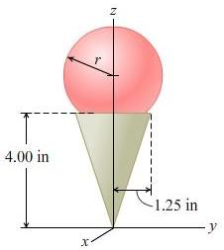
 |  |  |  |  |  | SUM of product of Volume and Centroid
 |  |  |  |  |  | 40120524.193

 |  |  |  |  | Result
 |  |  |  |  | Centroid | (SUM of product of Volume and Centroid) Over Total Volume
 |  |  |  |  | z | 136423321.46

q3
The distances (in miles) between the Indiana (US) cities of Gary, Fort Wayne, Evansville, Terre Haute and South Bend are given in the following table. It is necessary to build a state road system that connects all these cities.
What is the minimum length of road required?

 | Gary | Fot Wayne | Evansville | Terre Haute | South Bend |  |  | Abdulbaki Aybakan
Gary | 1000 | 132 | 217 | 164 | 58 |  |  | 40120523
Fot Wayne | 132 | 1000 | 290 | 201 | 79
Evansville | 217 | 290 | 1000 | 113 | 303
Terre Haute | 164 | 201 | 113 | 1000 | 196
South Bend | 58 | 79 | 303 | 196 | 1000

Variables
 | Gary | Fot Wayne | Evansville | Terre Haute | South Bend | TOTAL | TOTAL LIMIT
Gary | 0 | 1 | 0 | 1 | 1 | 10 | 10
Fot Wayne | 1 | 0 | 0 | 0 | 1
Evansville | 0 | 0 | 0 | 1 | 0
Terre Haute | 1 | 0 | 1 | 0 | 0
South Bend | 1 | 1 | 0 | 0 | 0

Minimum Length | 546

